BVTs
S no | Feature | BVT | Steps | Expected output | PowerBi Desktop | Edge | chrome | IE
1 | Basic dynamic tooltip | Display basic dynamic tooltip with currency formatting | 1. Go to formatting pane 2. Switch the toggle of 'Measure Tooltip' option to ON 3. Drag 'Sales' in 'Body' field 4.Hover on the visual | Dynamic tooltip with information will be displayed with currency formatting like '$120' | 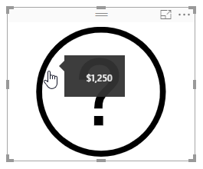 | 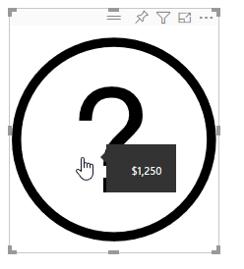 | 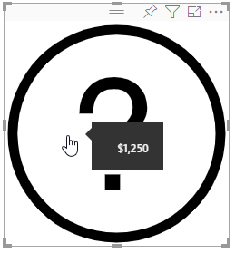 | 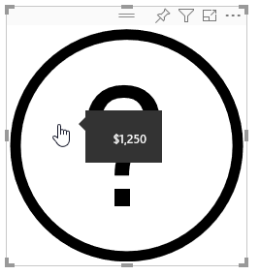
 |  | Display basic dynamic tooltip with numeric values | 1. Drag 'Order Quantity' Field in 'Body' field 2. Hover on the visual | Dynamic tooltip with information will be displayed | 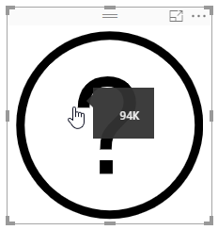 | 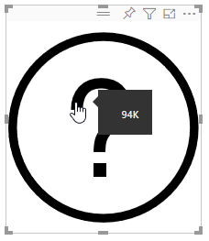 | 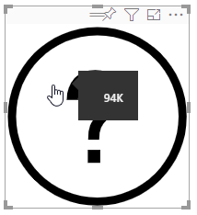 | 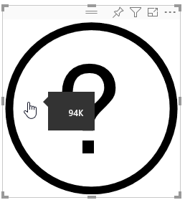
 |  | Display basic dynamic tooltip with Categorical values | 1. Drag 'Month' Field in 'Body' 2. Hover on the visual | Dynamic tooltip with information will be displayed | 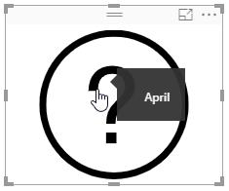 | 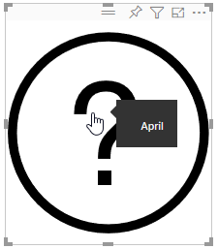 | 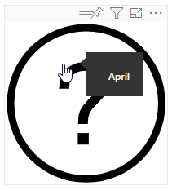 | 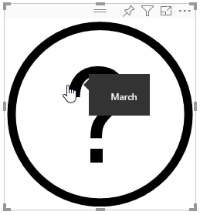
 |  |  | 1. Drag 'Sales' Field in 'Header' field 2. Drag 'Sales' in 'Body' field 3. Hover on the visual | Same value shoud be displayed as header and Body | 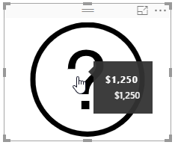 | 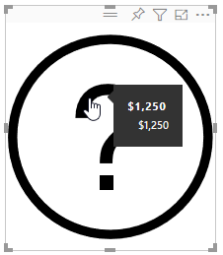 | 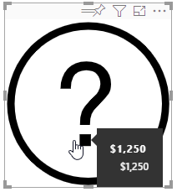 | 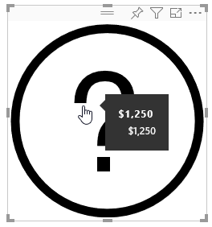
 |  | Display basic dynamic tooltip | 1. Drag 'Sales Header' Field in 'Header' field 2. Drag 'Sales' in 'Body' field 3. Hover on the visual | 1. Dynamic tooltip with only Header Value will be displayed 2. Dynamic tooltip with Header and Body will be displayed | 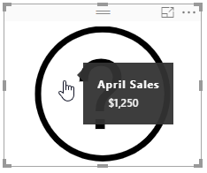 | 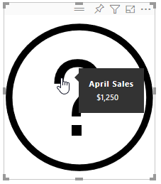 | 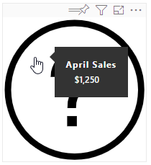 | 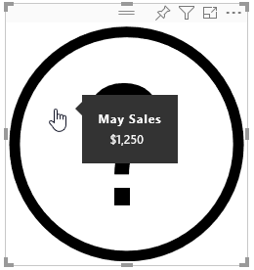
2 | Measure Tooltip | Display measure information in tooltip | 1. Go to formatting pane 2. Switch the toggle of 'Measure Tooltip' option to ON 3. Update 'decimal places' to '2' 4. Update 'display units' to 'Thousand' | 1. Display measure information from 'Sales' column 2. Measure tooltip decimal places will updated to '40000.00' 3. Measure tooltip display unit will updated to '40.00K' | 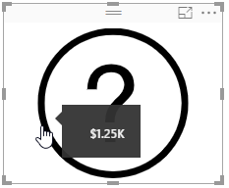 | 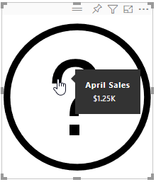 | 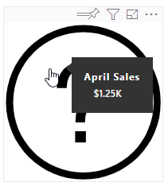 | 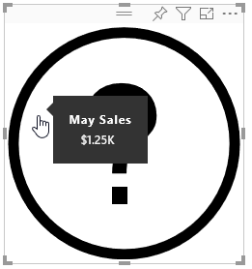
3 | Tooltip | Display given information in tooltip | 1. Go to formatting pane 2. Switch the toggle of 'Measure Tooltip' option to OFF 3. Go to 'Tooltip' option 4. Update 'Header' to 'The Title' 5. Update 'Body' to 'This is body' 6. Update 'Image URL' to 'https://d30y9cdsu7xlg0.cloudfront.net/png/205323-200.png' | 1. Tooltip 'Header' text will be set to 'The Title' 2. Tooltip 'Body' text will be set to 'This is body' 3. Tooltip image will be set to as given in URL | 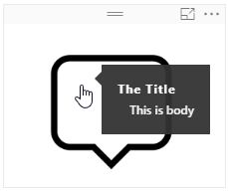 | 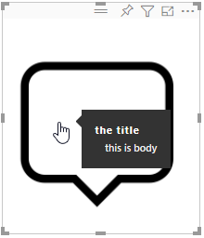 | 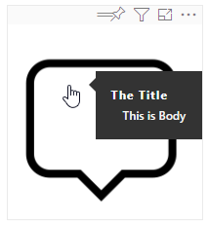 | 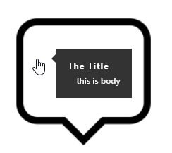
 |  | Check for blank values | 1. Erase the values in 'Header' and leave it blank 2. Erase the values in 'Body' and leave it blank 3. Hover on the Visual | Nothing should be displayed. | 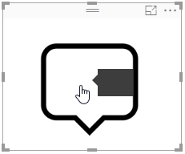 | 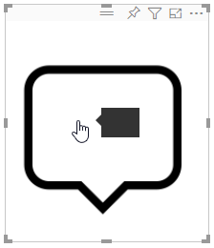 | 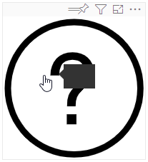 | 

